AUBURN MAP
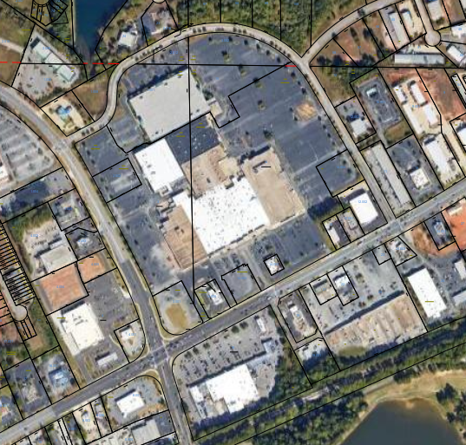

3
2

1
15
5

4

6
14
16

13
11
12

10

9

7
8

17

